AEO Assumptions
Residential Demand Module
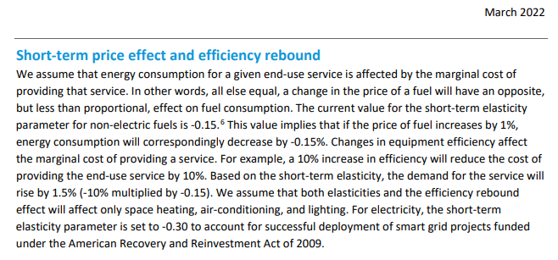

Commercial Demand Module

